Dashboard
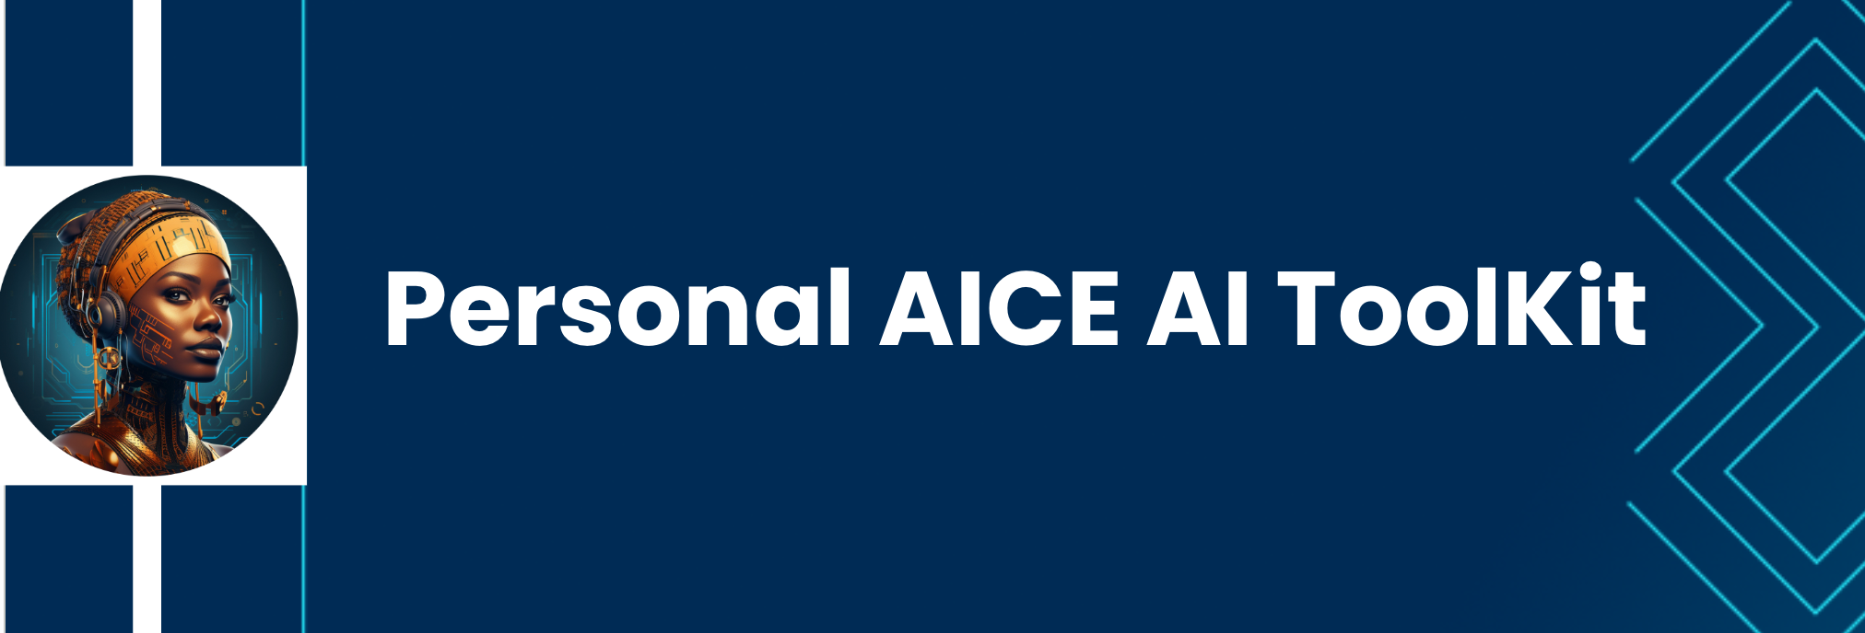

About this Workbook
Welcome to your personal AI Toolkit and Workflow Optimization Workbook! This worksheet is designed to help you streamline your use of AI in the workplace. It's packed with a list of AI tools, workflow improvements, and a prompt cheatsheet. All to supercharge your career and improve your efficiency at work.

How to Use AI Toolkit

1. Start by browsing through the workbook to familiarize yourself with its contents.
2. You will find that at the bottom of this page are various tabs with different materials for each topic. Click through the different tabs. Don't make any changes yet.
3. Each time you have a lesson or assignment, come to this workbook and put in your milestone or explore the tools you have been given.
4. Submit your work from each tab as needed.
5. Have fun.

Contents:
Tab 1: This Dashboard - How to Use Your AI Toolkit
Tab 2: AI Tools
Tab 3: My AI Toolkit
Tab 4: My Prompts Sheet
Tab 5: Workflow Optimization

